Infographics
Infographics
Hint: if you can't see the graphics in the HTML version try to download this document as XLSX in the "Download" section
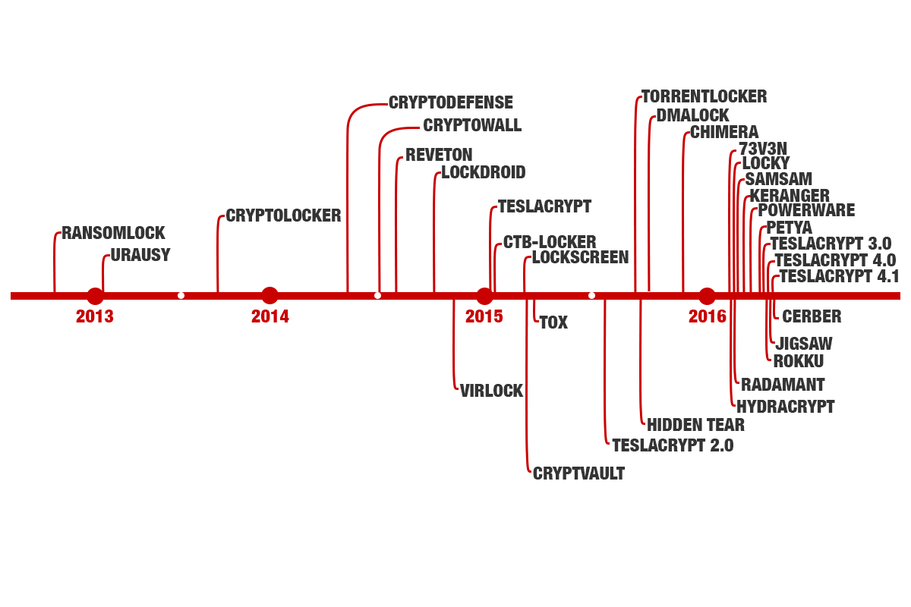
Source: https://www.endgame.com/blog/your-package-has-been-successfully-encrypted-teslacrypt-41a-and-malware-attack-chain

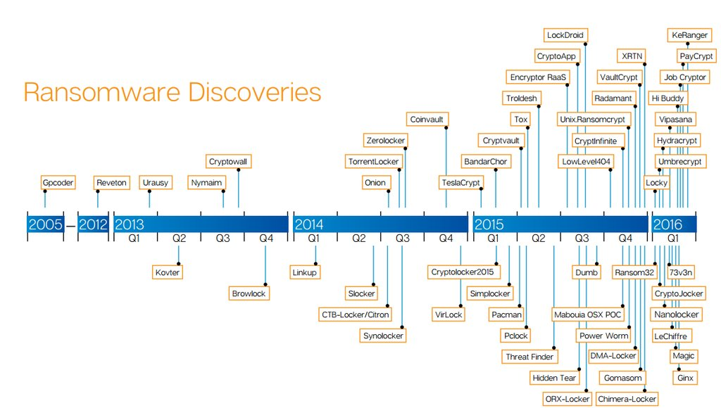

Source: Symantec, via @certbund

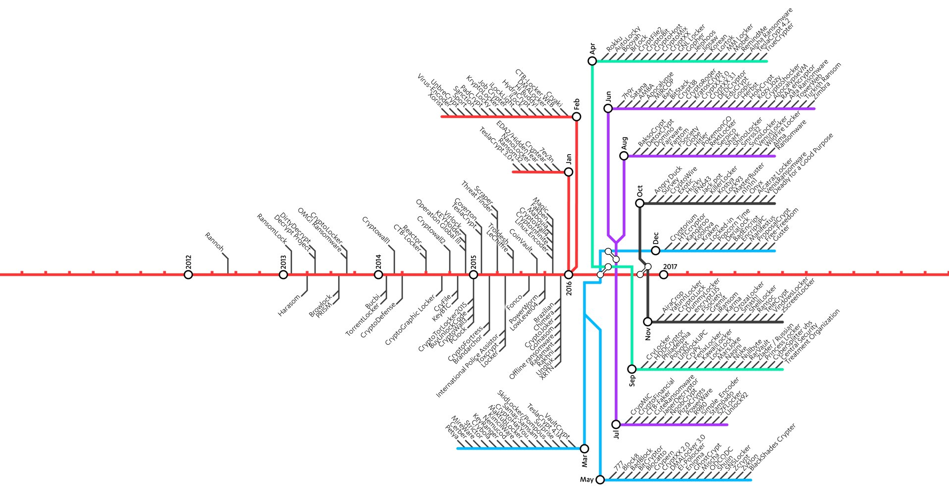

https://www.f-secure.com/documents/996508/1030743/cyber-security-report-2017

